Front Page
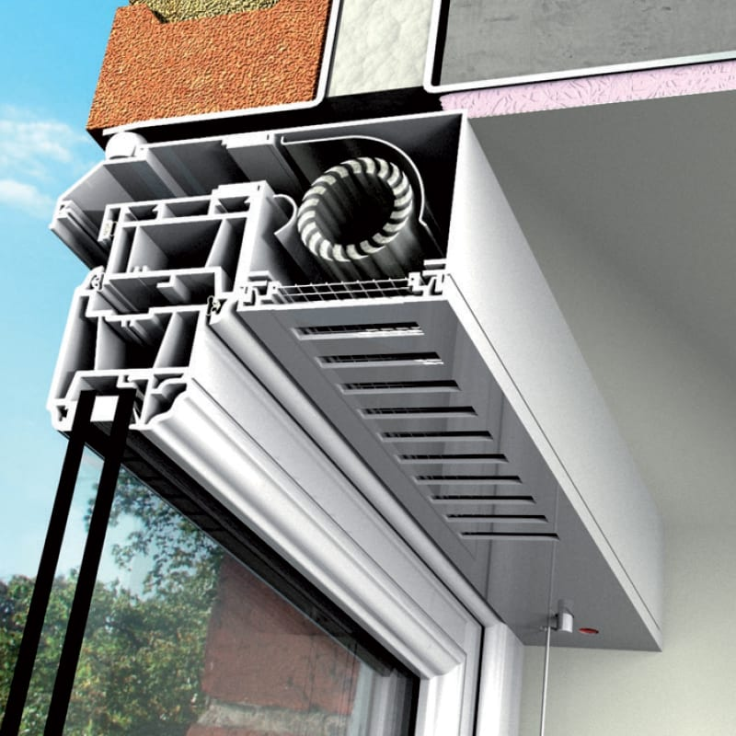

 |  | Vent Trex

 | Over window extract fan and trickle vent

The Vent Trex product is made to order to suit your specific requirements in function, colour and size.

Prior to requesting a Quote or Ordering it is critical that you understand the configuration you want and have all the details required to complete the ‘Quote – Order Form’ (see tab Below)

Once an order has been received and given to the factory for production any changes may cause delays and may result in additional cost to the purchaser.

Full details of the product are available on our web site - |  |  | Vent-Trex - Titon UK

Sizing and handing guidance is given on the ‘Measuring & Handing’ tab below.

All quote and order request must be made by completing the 'Quote – Order Form' (see tab Below). The completed form must be sent to sales@titon.co.uk in spreadsheet format.

Historically we have developed different configurations for local authorities and housing associations, please check with your main contractor if there are pre defined configuration requirements. We have listed those we are aware of on the ‘Local Authority & Special Req’ tab below. Prior to using these you should check they are still current.

Measuring & Handing
 |  | Vent-trex
Measuring and Handing Guide

NOTES: |  | Please confirm dimensions. See Notes 1 to 5, then enter A, B and F dimensions on sheet overleaf
1) | VENT-TREX can be supplied for a 'parallel' (typically English) or a 'check' (typically Scottish) reveal, please refer to diagrams below.
2) | These are intended only as general illustrations. Specfic installation details may vary & should always be checked on site prior to order.

3) | Allow for uneven reveals & check dimensions at more than one point. | A = Width of Canopy
4) | Allow for power cable if required to exit from end of unit.
5) | Round A & B measurements down to nearest 5mm increment i.e. 973mm will be 970mm after tolerance). | B = Overall width of fan box unit

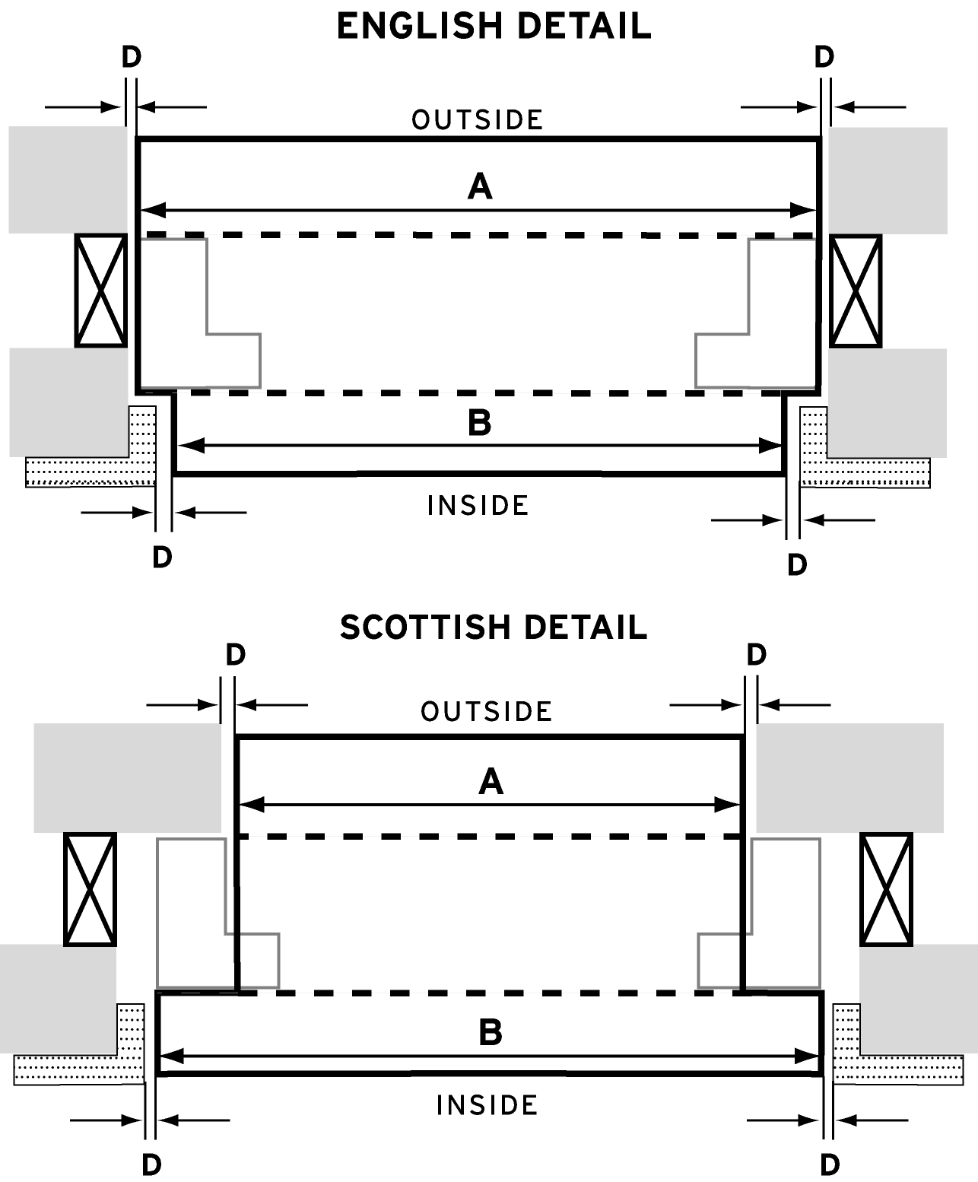
 |  | D = Allow for fitting tolerance (may be uneven)

 |  | E = Allow for thickness of internal soffit finishes

 |  | F = Window head thickness

 |  | IMPORTANT: Ensure sufficient clearance allowance. Titon cannot be held responsible if this does not occur.

